SMB Subscription Pricing
SMB Suite Financials Packaged Solutions
SMB Financials Foundation
Subscription Includes | Price | Quantity | Estimated Total
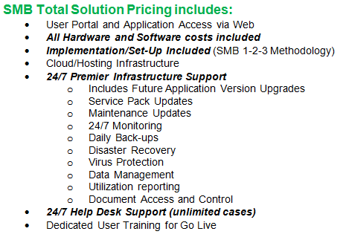
1 User with Set-Up, Implementation & Training | $750 | 1 | $750
General Ledger
Accounts Payable/Accounts Recievable
Bank Reconciliation
Business Intelligence Excel Based Reporting
Data Migration
Integration Manager Financials: One Time Import for Go-Live
Total Subscription Per Month |  |  | $750

